Index
INDEX |  | Worksheet Name
Prereq | ……………………………………… | Prerequisites | Structured Data Capture Initative Standards Evaluation Template
Notes | ……………………………………… | General Document Notes
M-Crit | ……………………………………… | Maturity Criteria

M-C&S | ……………………………………… | Maturity-Content & Structure
M-T&S | ……………………………………… | Maturity-Transport & Security
M-XCat | ……………………………………… | Maturity-Cross Category
M-V&C | ……………………………………… | Maturity-Vocabulary & Code Set
M-Weight | ……………………………………… | Maturity Weight
A-Crit | ……………………………………… | Adoptability Criteria
A-C&S | ……………………………………… | Adoptability-Content & Structure
A-T&S | ……………………………………… | Adoptability-Transport & Security
A-XCat | ……………………………………… | Adoptability-Cross Category
A-V&C | ……………………………………… | Adoptability-Vocabulary & Code Set
A-Weight | ……………………………………… | Adoptability Weight
S&I-Crit | ……………………………………… | Standards & Interoperability Criteria
S&I-C&S | ……………………………………… | Standards & Interoperability-Content & Structure
S&I-T&S | ……………………………………… | Standards & Interoperability-Transport & Security
S&I-XCat | ……………………………………… | Standards & Interoperability-Cross Category
S&I-V&C | ……………………………………… | Standards & Interoperability-Vocabulary & Code Set
S&I-Weight | ……………………………………… | Standards & Interoperability Weight
NA Crit | ……………………………………… | NA Criteria
C&S-Totals | ……………………………………… | Content & Structure Totals
Totals | ……………………………………… | Totals 1
C&S-Totals Tables | ……………………………………… | C&S-Totals Tables
Final List | ……………………………………… | Final List of Standards
Links | ……………………………………… | Links

Notes
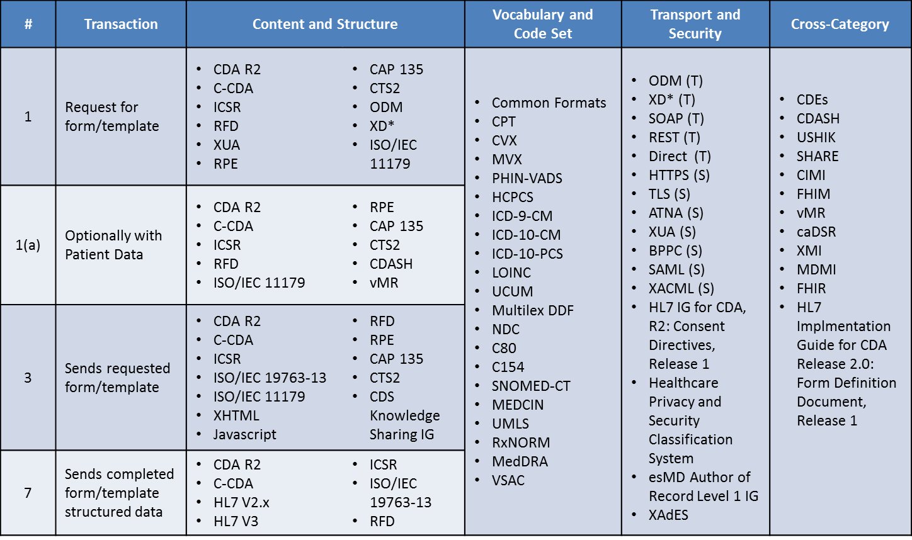
Back to Index

 | General Document Notes

 | All standards highlighted in dark blue with white text were pulled directly from HeD Standards Analysis

 | The very last worksheet in this document is a links page to every standard in this evaluation template. There should be a clickable cell on every sheet in this document that links to this worksheet.

 | To switch between full view (including standards carried over from HeD) and partial view (including the standards that have yet to be analyzed) press the 1 & 2 buttons in the Top left hand corner of the work sheet.

 | To the right you will find the list of all the standards in this Evaluation Template

 |  | s

M-C&S
Back to Index |  |  | Standard |  | Standard |  | Standard |  | Standard |  | Standard |  | ` | Standard |  | Standard |  | Standard |  | Standard |  | Standard |  | Standard |  | Standard |  | Standard |  | Standard |  | Standard |  | Standard |  | Standard |  | Standard |  | Standard
 |  | Weight DO NOT CHANGE | CDA R2 (1,1a,3,7) |  | C-CDA (1,1a,3,7) |  | ICSR (1,1a,3,7) |  | XUA (1) |  | RPE (1,1a,3) |  |  | CTS2 (1,1a,3) |  | ODM (1) references CDISC |  | XD* (1) |  | CDASH (1a) |  | ISO/IEC (19763-13) (3,7) |  | ISO 16262 |  | XHTML (3) |  | CDS Knowledge Sharing Implementation Guide (3) |  | ISO/IEC 11179 (1, 1a, 3) |  | CAP 135 (1, 1a, 3) |  | XLS/XLSX/XLSM (1, 1a, 3, 7) |  | X-Forms (1, 1a, 3, 7) |  | ISO 13606 (1, 1a, 3, 7) |  | IHE Data Element Exchange (1, 1a, 3, 7)
Content & Structure |  |  | Rating | Notes | Rating | Notes | Rating | Notes | Rating | Notes | Rating | Notes |  | Rating | Notes | Rating | Notes | Rating | Notes | Rating | Notes | Rating | Notes | Rating | Notes | Rating | Notes | Rating | Notes | Rating | Notes | Rating | Notes | Rating | Notes | Rating | Notes | Rating | Notes | Rating | Notes
Maturity of Specification
OVERALL RATING |  |  | 54 |  | 51 |  | 30 |  | 48 |  | 18 |  |  | 36 |  | 54 |  | 54 |  | 42 |  | 24 |  | 54 |  | 54 |  | 6 |  | 54 |  | 24 |  | 54 |  | 18 |  | 48 |  | 12
Maturity of Underlying Technology Components
OVERALL RATING |  |  | 126 |  | 126 |  | 126 |  | 135 |  | 135 |  |  | 135 |  | 135 |  | 135 |  | 135 |  | 0 |  | 135 |  | 135 |  | 90 |  | 135 |  | 45 |  | 135 |  | 45 |  | 126 |  | 135
Maturity of Market Adoption
OVERALL RATING |  |  | 28 |  | 28 |  | 32 |  | 32 |  | 16 |  |  | 28 |  | 40 |  | 32 |  | 36 |  | 8 |  | 44 |  | 44 |  | 8 |  | 40 |  | 16 |  | 44 |  | 24 |  | 28 |  | 12

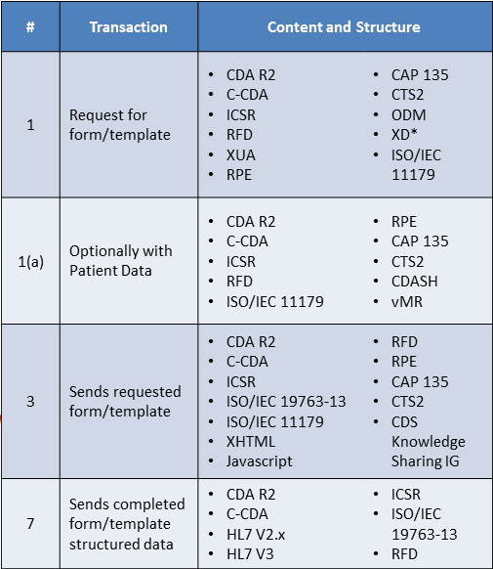
Totals 1
C&S Totals |  |  |  |  |  |  |  |  |  |  |  |  |  |  | Standards Definition & Hyperlinks List
Priority | Numerical Value | Letter
HIGH (H) | 3.0 | H
MEDIUM (M) | 2.0 | M
LOW (L) | 1.0 | L
ZERO (0) | 0 | 0
Unknown (UNK) | 0 | UNK
Not Applicable (NA) | 0 | NA
Example
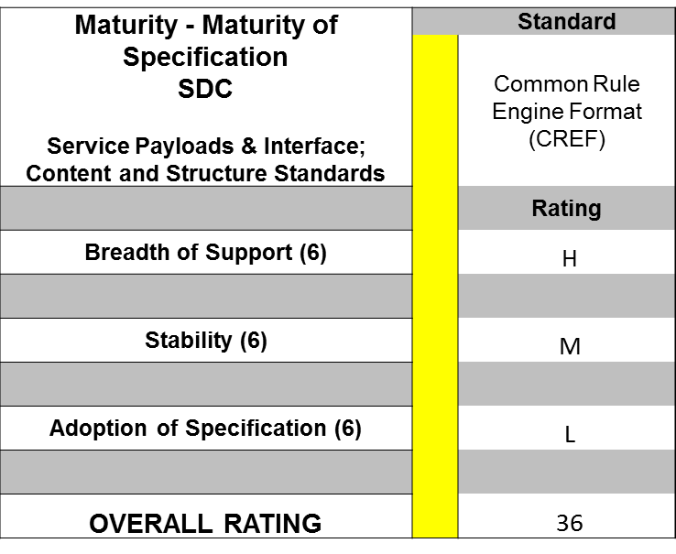

Example math
Assume all “Maturity of Specification” are weighted with a 6
The rating “High” aligns to a score of 3
The rating “Medium” aligns to a score of 2
The rating “Low” aligns to a score of 1
= 6*3 + 6*2 + 6*1
= 36 Overall Rating

M-T&S
Back to Index |  |  | Standard |  | Standard |  | Standard |  | Standard |  | ` | Standard |  | Standard |  | Standard |  | Standard |  | Standard |  | Standard |  | Standard |  | Standard |  | Standard
 |  | Weight DO NOT CHANGE | ODM (T) |  | XD* (T) |  | Direct (T) |  | HTTPS (S) |  |  | ATNA (S) |  | XUA (S) |  | BPPC (S) |  | SAML (S) |  | XACML (S) |  | HL7 Implementation Guide for CDA, Release 2: Consent Directives, Release 1 (S) |  | Healthcare Privacy and Security Classification System (S) |  | esMD Author of Record Level 1 Implementation Guide (S) |  | XADES (S)
Transport & Security |  |  | Rating | Notes | Rating | Notes | Rating | Notes | Rating | Notes |  | Rating | Notes | Rating | Notes | Rating | Notes | Rating | Notes | Rating | Notes | Rating | Notes | Rating | Notes | Rating | Notes | Rating | Notes
Maturity of Specification
OVERALL RATING |  |  | 48 |  | 54 |  | 42 |  | 54 |  |  | 36 |  | 48 |  | 42 |  | 54 |  | 54 |  | 48 |  | 42 |  | 24 |  | 54
Maturity of Underlying Technology Components
OVERALL RATING |  |  | 126 |  | 135 |  | 135 |  | 135 |  |  | 135 |  | 135 |  | 117 |  | 126 |  | 126 |  | 108 |  | 108 |  | 135 |  | 135
Maturity of Market Adoption
OVERALL RATING |  |  | 36 |  | 32 |  | 32 |  | 48 |  |  | 32 |  | 32 |  | 24 |  | 48 |  | 48 |  | 24 |  | 36 |  | 24 |  | 40

Totals 1
Priority | Numerical Value | Letter |  |  |  |  |  |  |  |  |  |  | Standards Definition & Hyperlinks List
HIGH (H) | 3.0 | H
MEDIUM (M) | 2.0 | M
LOW (L) | 1.0 | L
ZERO (0) | 0 | 0
Unknown (UNK) | 0 | UNK
Not Applicable (NA) | 0 | NA
Example

Example math
Assume all “Maturity of Specification” are weighted with a 6
The rating “High” aligns to a score of 3
The rating “Medium” aligns to a score of 2
The rating “Low” aligns to a score of 1
= 6*3 + 6*2 + 6*1
= 36 Overall Rating

M-XCat
Back to Index |  |  | Standard |  | Standard |  | Standard |  | Standard |  | ` | Standard |  | Standard |  | ` | Standard |  | Standard |  | Standard
 |  | Weight DO NOT CHANGE | CDASH |  | SHARE |  | CIMI |  | FHIM |  |  | caDSR |  | XMI |  |  | MDMI |  | HL7 Implmentation Guide for CDA Release 2.0: Form Definition Document, Release 1 |  | FHIR
Cross Category |  |  | Rating | Notes | Rating | Notes | Rating | Notes | Rating | Notes |  | Rating | Notes | Rating | Notes |  | Rating | Notes | Rating | Notes | Rating | Notes
Maturity of Specification
OVERALL RATING |  |  | 48 |  | 36 |  | 18 |  | 30 |  |  | 54 |  | 48 |  |  | 54 |  | 36 |  | 18
Maturity of Underlying Technology Components
OVERALL RATING |  |  | 126 |  | 126 |  | 18 |  | 112.5 |  |  | 135 |  | 126 |  |  | 117 |  | 90 |  | 135
Maturity of Market Adoption
OVERALL RATING |  |  | 44 |  | 28 |  | 8 |  | 24 |  |  | 0 |  | 36 |  |  | 40 |  | 4 |  | 16

Totals 1
Priority | Numerical Value | Letter |  |  |  |  |  |  |  |  |  |  | Standards Definition & Hyperlinks List
HIGH (H) | 3.0 | H
MEDIUM (M) | 2.0 | M
LOW (L) | 1.0 | L
ZERO (0) | 0 | 0
Unknown (UNK) | 0 | UNK
Not Applicable (NA) | 0 | NA
Example

Example math
Assume all “Maturity of Specification” are weighted with a 6
The rating “High” aligns to a score of 3
The rating “Medium” aligns to a score of 2
The rating “Low” aligns to a score of 1
= 6*3 + 6*2 + 6*1
= 36 Overall Rating

M-V&C
Back to Index |  |  | Standard |  | Standard |  | Standard |  | Standard |  | Standard |  | Standard |  | ` | Standard |  | Standard |  | Standard |  | Standard |  | Standard |  | Standard |  | Standard |  | Standard |  | Standard |  | Standard |  | Standard |  | Standard |  | Standard |  | Standard
 |  | Weight DO NOT CHANGE | Common Formats |  | CPT |  | CVX |  | MVX |  | PHIN-VADS |  | HCPCS |  |  | ICD-9-CM |  | ICD-10-CM |  | ICD-10-PCS |  | LOINC |  | UCUM |  | NDC |  | C80 |  | C154 |  | SNOMED-CT |  | MEDCIN |  | UMLS |  | RxNorm |  | MedDRA |  | VSAC
Vocabulary & Code Set |  |  | Rating | Notes | Rating | Notes | Rating | Notes | Rating | Notes | Rating | Notes | Rating | Notes |  | Rating | Notes | Rating | Notes | Rating | Notes | Rating | Notes | Rating | Notes | Rating | Notes | Rating | Notes | Rating | Notes | Rating | Notes | Rating | Notes | Rating | Notes | Rating | Notes | Rating | Notes | Rating | Notes
Maturity of Specification
OVERALL RATING |  |  | 54 |  | 54 |  | 54 |  | 15 |  | 54 |  | 54 |  |  | 54 |  | 54 |  | 54 |  | 54 |  | 48 |  | 54 |  | 45 |  | 48 |  | 54 |  | 36 |  | 54 |  | 54 |  | 42 |  | 39
Maturity of Underlying Technology Components

Breadth of Support |  | 9 | UNK | Changed for equalization | UNK |  | UNK |  | UNK |  | UNK |  | UNK |  |  | UNK |  | UNK |  | UNK |  | UNK |  | UNK |  | UNK |  | UNK |  | UNK |  | UNK |  | UNK |  | UNK |  | UNK |  | UNK |  | UNK

Stability |  | 9 | UNK |  | UNK |  | UNK |  | UNK |  | UNK |  | UNK |  |  | UNK |  | UNK |  | UNK |  | UNK |  | UNK |  | UNK |  | UNK |  | UNK |  | UNK |  | UNK |  | UNK |  | UNK |  | UNK |  | UNK

Adoption of Technology |  | 9 | UNK |  | UNK |  | UNK |  | UNK |  | UNK |  | UNK |  |  | UNK |  | UNK |  | UNK |  | UNK |  | UNK |  | UNK |  | UNK |  | UNK |  | UNK |  | UNK |  | UNK |  | UNK |  | UNK |  | UNK

Platform Support |  | 9 | UNK |  | UNK |  | UNK |  | UNK |  | UNK |  | UNK |  |  | UNK |  | UNK |  | UNK |  | UNK |  | UNK |  | UNK |  | UNK |  | UNK |  | UNK |  | UNK |  | UNK |  | UNK |  | UNK |  | UNK

Maturity of the Technology Within its Life Cycle |  | 9 | UNK |  | UNK |  | UNK |  | UNK |  | UNK |  | UNK |  |  | UNK |  | UNK |  | UNK |  | UNK |  | UNK |  | UNK |  | UNK |  | UNK |  | UNK |  | UNK |  | UNK |  | UNK |  | UNK |  | UNK

OVERALL RATING |  |  | 0 |  | 0 |  | 0 |  | 0 |  | 0 |  | 0 |  |  | 0 |  | 0 |  | 0 |  | 0 |  | 0 |  | 0 |  | 0 |  | 0 |  | 0 |  | 0 |  | 0 |  | 0 |  | 0 |  | 0
Maturity of Market Adoption
OVERALL RATING |  |  | 48 |  | 36 |  | 48 |  | 36 |  | 34 |  | 30 |  |  | 34 |  | 34 |  | 28 |  | 34 |  | 26 |  | 0 |  | 28 |  | 16 |  | 36 |  | 16 |  | 18 |  | 30 |  | 24 |  | 28

Totals 1
Priority | Numerical Value | Letter | Standards Definition & Hyperlinks List
HIGH (H) | 3.0 | H
MEDIUM (M) | 2.0 | M
LOW (L) | 1.0 | L
ZERO (0) | 0 | 0
Unknown (UNK) | 0 | UNK
Not Applicable (NA) | 0 | NA
Example

Example math
Assume all “Maturity of Specification” are weighted with a 6
The rating “High” aligns to a score of 3
The rating “Medium” aligns to a score of 2
The rating “Low” aligns to a score of 1
= 6*3 + 6*2 + 6*1
= 36 Overall Rating

A-C&S
Back to Index |  |  | Standard |  | Standard |  | Standard |  | Standard |  | Standard |  | ` | Standard |  | Standard |  | Standard |  | Standard |  | Standard |  | Standard |  | Standard |  | Standard |  | Standard |  | Standard |  | Standard |  | Standard |  | Standard |  | Standard
 |  | Weight DO NOT CHANGE | CDA R2 (1,1a,3,7) |  | C-CDA (1,1a,3,7) |  | ICSR (1,1a,3,7) |  | XUA (1) |  | RPE (1,1a,3) |  |  | CTS2 (1,1a,3) |  | ODM (1) references CDISC |  | XD* (1) |  | CDASH (1a) |  | ISO/IEC (19763-13) (3,7) |  | ISO 16262 (3) |  | XHTML (3) |  | CDS Knowledge Sharing Implementation Guide (3) |  | ISO/IEC 11179 (1, 1a, 3) |  | CAP 135 (1, 1a, 3) |  | XLS/XLSX/XLSM (1, 1a, 3, 7) |  | X-Forms (1, 1a, 3, 7) |  | ISO 13606 (1, 1a, 3, 7) |  | IHE Data Element Exchange (1, 1a, 3, 7)
Content & Structure |  |  | Rating | Notes | Rating | Notes | Rating | Notes | Rating | Notes | Rating | Notes |  | Rating | Notes | Rating | Notes | Rating | Notes | Rating | Notes | Rating | Notes | Rating | Notes | Rating | Notes | Rating | Notes | Rating | Notes | Rating | Notes | Rating | Notes | Rating | Notes | Rating | Notes | Rating | Notes
Adoptability Ease of Implementation & Deployment
OVERALL RATING |  |  | 66 |  | 69 |  | 69 |  | 75 |  | 63 |  |  | 69 |  | 78 |  | 78 |  | 81 |  | 42 |  | 87 |  | 90 |  | 72 |  | 63 |  | 45 |  | 90 |  | 72 |  | 75 |  | 75
Adoptability Intellectual Property
OVERALL RATING |  |  | 81 |  | 81 |  | 81 |  | 81 |  | 81 |  |  | 81 |  | 81 |  | 81 |  | 81 |  | 36 |  | 81 |  | 81 |  | 81 |  | 81 |  | 81 |  | 9 |  | 81 |  | 45 |  | 72

Totals 1
C&S Totals |  |  |  |  |  |  |  |  |  |  |  |  |  |  |  |  |  | Standards Definition & Hyperlinks List
Priority | Numerical Value | Letter
HIGH (H) | 3.0 | H
MEDIUM (M) | 2.0 | M
LOW (L) | 1.0 | L
ZERO (0) | 0 | 0
Unknown (UNK) | 0 | UNK
Not Applicable (NA) | 0 | NA
Example

Example math
Assume all “Maturity of Specification” are weighted with a 6
The rating “High” aligns to a score of 3
The rating “Medium” aligns to a score of 2
The rating “Low” aligns to a score of 1
= 6*3 + 6*2 + 6*1
= 36 Overall Rating

A-T&S
Back to Index |  |  | Standard |  | Standard |  | Standard |  | Standard |  | ` | Standard |  | Standard |  | Standard |  | Standard |  | Standard |  | Standard |  | Standard |  | Standard |  | Standard
 |  | Weight DO NOT CHANGE | ODM (T) |  | XD* (T) |  | Direct (T) |  | HTTPS (S) |  |  | ATNA (S) |  | XUA (S) |  | BPPC (S) |  | SAML (S) |  | XACML(S) |  | HL7 Implementation Guide for CDA, Release 2: Consent Directives, Release 1 (S) |  | Healthcare Privacy and Security Classification System (S) |  | esMD Author of Record Level 1 Implementation Guide (S) |  | XADES (S)
Transport & Security |  |  | Rating | Notes | Rating | Notes | Rating | Notes | Rating | Notes |  | Rating | Notes | Rating | Notes | Rating | Notes | Rating | Notes | Rating | Notes | Rating | Notes | Rating | Notes | Rating | Notes | Rating | Notes
Adoptability Ease of Implementation & Deployment
OVERALL RATING |  |  | 81 |  | 78 |  | 84 |  | 90 |  |  | 78 |  | 75 |  | 90 |  | 90 |  | 90 |  | 81 |  | 78 |  | 81 |  | 81
Adoptability Intellectual Property
OVERALL RATING |  |  | 81 |  | 81 |  | 81 |  | 81 |  |  | 81 |  | 81 |  | 81 |  | 81 |  | 81 |  | 81 |  | 81 |  | 81 |  | 81

Totals 1
Priority | Numerical Value | Letter | Standards Definition & Hyperlinks List
HIGH (H) | 3.0 | H
MEDIUM (M) | 2.0 | M
LOW (L) | 1.0 | L
ZERO (0) | 0 | 0
Unknown (UNK) | 0 | UNK
Not Applicable (NA) | 0 | NA
Example

Example math
Assume all “Maturity of Specification” are weighted with a 6
The rating “High” aligns to a score of 3
The rating “Medium” aligns to a score of 2
The rating “Low” aligns to a score of 1
= 6*3 + 6*2 + 6*1
= 36 Overall Rating

A-XCat
Back to Index |  |  | Standard |  | Standard |  | Standard |  | Standard |  | ` | Standard |  | Standard |  | ` | Standard |  | Standard |  | Standard
 |  | Weight DO NOT CHANGE | CDASH |  | SHARE |  | CIMI |  | FHIM |  |  | caDSR |  | XMI |  |  | MDMI |  | HL7 Implmentation Guide for CDA Release 2.0: Form Definition Document, Release 1 |  | FHIR
Cross Category |  |  | Rating | Notes | Rating | Notes | Rating | Notes | Rating | Notes |  | Rating | Notes | Rating | Notes |  | Rating | Notes | Rating | Notes | Rating | Notes
Adoptability Ease of Implementation & Deployment
OVERALL RATING |  |  | 87 |  | 84 |  | 72 |  | 79.5 |  |  | 87 |  | 75 |  |  | 84 |  | 78 |  | 84
Adoptability Intellectual Property
OVERALL RATING |  |  | 81 |  | 81 |  | 81 |  | 81 |  |  | 81 |  | 81 |  |  | 81 |  | 54 |  | 81

Totals 1
Priority | Numerical Value | Letter
HIGH (H) | 3.0 | H
MEDIUM (M) | 2.0 | M
LOW (L) | 1.0 | L
ZERO (0) | 0 | 0
Unknown (UNK) | 0 | UNK
Not Applicable (NA) | 0 | NA
Example

Example math
Assume all “Maturity of Specification” are weighted with a 6
The rating “High” aligns to a score of 3
The rating “Medium” aligns to a score of 2
The rating “Low” aligns to a score of 1
= 6*3 + 6*2 + 6*1
= 36 Overall Rating

A-V&C
Back to Index |  |  | Standard
 |  | Weight DO NOT CHANGE | Common Formats
Vocabulary & Code Set |  |  | Rating | Notes
Adoptability Ease of Implementation & Deployment
OVERALL RATING |  |  | 90
Adoptability Intellectual Property
OVERALL RATING |  |  | 81

Totals 1
Priority | Numerical Value | Letter
HIGH (H) | 3.0 | H |  |  | Standards Definition & Hyperlinks List
MEDIUM (M) | 2.0 | M
LOW (L) | 1.0 | L
ZERO (0) | 0 | 0
Unknown (UNK) | 0 | UNK
Not Applicable (NA) | 0 | NA
Example

Example math
Assume all “Maturity of Specification” are weighted with a 6
The rating “High” aligns to a score of 3
The rating “Medium” aligns to a score of 2
The rating “Low” aligns to a score of 1
= 6*3 + 6*2 + 6*1
= 36 Overall Rating

S&I-C&S
Back to Index |  |  | Standard |  | Standard |  | Standard |  | Standard |  | Standard |  | ` | Standard |  | Standard |  | Standard |  | Standard |  | Standard |  | Standard |  | Standard |  | Standard |  | Standard |  | Standard |  | Standard |  | Standard |  | Standard |  | Standard
 |  | Weight DO NOT CHANGE | CDA R2 (1,1a,3,7) |  | C-CDA (1,1a,3,7) |  | ICSR (1,1a,3,7) |  | XUA (1) |  | RPE (1,1a,3) |  |  | CTS2 (1,1a,3) |  | ODM (1) references CDISC |  | XD* (1) |  | CDASH (1a) |  | ISO/IEC (19763-13) (3,7) |  | ISO 16262 (3) |  | XHTML (3) |  | CDS Knowledge Sharing Implementation Guide (3) |  | ISO/IEC 11179 (1, 1a, 3) |  | CAP 135 (1, 1a, 3) |  | XLS/XLSX/XLSM (1, 1a, 3, 7) |  | X-Forms (1, 1a, 3, 7) |  | ISO 13606 (1, 1a, 3, 7) |  | IHE Data Element Exchange (1, 1a, 3, 7)
Content & Structure |  |  | Rating | Notes | Rating | Notes | Rating | Notes | Rating | Notes | Rating | Notes |  | Rating | Notes | Rating | Notes | Rating | Notes | Rating | Notes | Rating | Notes | Rating | Notes | Rating | Notes | Rating | Notes | Rating | Notes | Rating | Notes | Rating | Notes | Rating | Notes | Rating | Notes | Rating | Notes
Standards & Interoperability Specific Regulatory
OVERALL RATING |  |  | 50 |  | 70 |  | 40 |  | 0 |  | 30 |  |  | 0 |  | 0 |  | 60 |  | 20 |  | 0 |  | 30 |  | 0 |  | 60 |  | 0 |  | 10 |  | 0 |  | 0 |  | 0 |  | 0
Standards & Interoperability Specific Usage within S&I Framework
OVERALL RATING |  |  | 10 |  | 15 |  | 0 |  | 0 |  | 5 |  |  | 0 |  | 0 |  | 5 |  | 0 |  | 0 |  | 5 |  | 5 |  | 15 |  | 0 |  | 0 |  | 0 |  | 0 |  | 5 |  | 0

Totals 1
C&S Totals |  |  |  |  |  |  |  |  |  |  |  | Standards Definition & Hyperlinks List
Priority | Numerical Value | Letter
HIGH (H) | 3.0 | H
MEDIUM (M) | 2.0 | M
LOW (L) | 1.0 | L
ZERO (0) | 0 | 0
Unknown (UNK) | 0 | UNK
Not Applicable (NA) | 0 | NA
Example

Example math
Assume all “Maturity of Specification” are weighted with a 6
The rating “High” aligns to a score of 3
The rating “Medium” aligns to a score of 2
The rating “Low” aligns to a score of 1
= 6*3 + 6*2 + 6*1
= 36 Overall Rating

S&I-T&S
Back to Index |  |  | Standard |  | Standard |  | Standard |  | Standard |  | ` | Standard |  | Standard |  | Standard |  | Standard |  | Standard |  | Standard |  | Standard |  | Standard |  | Standard
 |  | Weight DO NOT CHANGE | ODM (T) |  | XD* (T) |  | Direct (T) |  | HTTPS (S) |  |  | ATNA (S) |  | XUA (S) |  | BPPC (S) |  | SAML (S) |  | XACML (S) |  | HL7 Implementation Guide for CDA, Release 2: Consent Directives, Release 1 (S) |  | Healthcare Privacy and Security Classification System (S) |  | esMD Author of Record Level 1 Implementation Guide (S) |  | XADES (S)
Transport & Security |  |  | Rating | Notes | Rating | Notes | Rating | Notes | Rating | Notes |  | Rating | Notes | Rating | Notes | Rating | Notes | Rating | Notes | Rating | Notes | Rating | Notes | Rating | Notes | Rating | Notes | Rating | Notes
Standards & Interoperability Specific Regulatory
OVERALL RATING |  |  | 0 |  | 50 |  | 30 |  | 30 |  |  | 30 |  | 0 |  | 60 |  | 10 |  | 0 |  | 0 |  | 0 |  | 0 |  | 0
Standards & Interoperability Specific Usage within S&I Framework
OVERALL RATING |  |  | 0 |  | 5 |  | 15 |  | 5 |  |  | 15 |  | 0 |  | 5 |  | 0 |  | 0 |  | 10 |  | 0 |  | 10 |  | 15

Totals 1
Priority | Numerical Value | Letter | Standards Definition & Hyperlinks List
HIGH (H) | 3.0 | H
MEDIUM (M) | 2.0 | M
LOW (L) | 1.0 | L
ZERO (0) | 0 | 0
Unknown (UNK) | 0 | UNK
Not Applicable (NA) | 0 | NA
Example

Example math
Assume all “Maturity of Specification” are weighted with a 6
The rating “High” aligns to a score of 3
The rating “Medium” aligns to a score of 2
The rating “Low” aligns to a score of 1
= 6*3 + 6*2 + 6*1
= 36 Overall Rating

S&I-XCat
Back to Index |  |  | Standard |  | Standard |  | Standard |  | Standard |  | Standard |  | Standard |  | Standard |  | Standard |  | Standard
 |  | Weight DO NOT CHANGE | CDASH |  | SHARE |  | CIMI |  | FHIM |  | caDSR |  | XMI |  | MDMI |  | HL7 Implmentation Guide for CDA Release 2.0: Form Definition Document, Release 1 |  | FHIR
Cross Category |  |  | Rating | Notes | Rating | Notes | Rating | Notes | Rating | Notes | Rating | Notes | Rating | Notes | Rating | Notes | Rating | Notes | Rating | Notes
Standards & Interoperability Specific Regulatory
OVERALL RATING |  |  | 0 |  | 0 |  | 0 |  | 25 |  | 10 |  | 30 |  | 30 |  | 40 |  | 0
Standards & Interoperability Specific Usage within S&I Framework
OVERALL RATING |  |  | 0 |  | 0 |  | 0 |  | 12.5 |  | 0 |  | 5 |  | 5 |  | 0 |  | 0

Totals 1
Priority | Numerical Value | Letter |  |  | Standards Definition & Hyperlinks List
HIGH (H) | 3.0 | H
MEDIUM (M) | 2.0 | M
LOW (L) | 1.0 | L
ZERO (0) | 0 | 0
Unknown (UNK) | 0 | UNK
Not Applicable (NA) | 0 | NA
Example

Example math
Assume all “Maturity of Specification” are weighted with a 6
The rating “High” aligns to a score of 3
The rating “Medium” aligns to a score of 2
The rating “Low” aligns to a score of 1
= 6*3 + 6*2 + 6*1
= 36 Overall Rating

S&I-V&C
Back to Index |  |  | Standard |  | Standard |  | Standard |  | Standard |  | Standard |  | Standard |  | ` | Standard |  | Standard |  | Standard |  | Standard |  | Standard |  | Standard |  | Standard |  | Standard |  | Standard |  | Standard |  | Standard |  | Standard |  | Standard |  | Standard
 |  | Weight DO NOT CHANGE | Common Formats |  | CPT |  | CVX |  | MVX |  | PHIN-VADS |  | HCPCS |  |  | ICD-9-CM |  | ICD-10-CM |  | ICD-10-PCS |  | LOINC |  | UCUM |  | NDC |  | C80 |  | C154 |  | SNOMED-CT |  | MEDCIN |  | UMLS |  | RxNORM |  | MedDRA |  | VSAC
Vocabulary & Code Set |  |  | Rating | Notes | Rating | Notes | Rating | Notes | Rating | Notes | Rating | Notes | Rating | Notes |  | Rating | Notes | Rating | Notes | Rating | Notes | Rating | Notes | Rating | Notes | Rating | Notes | Rating | Notes | Rating | Notes | Rating | Notes | Rating | Notes | Rating | Notes | Rating | Notes | Rating | Notes | Rating | Notes
Standards & Interoperability Specific Regulatory
OVERALL RATING |  |  | 60 |  | 30 |  | 20 |  | 50 |  | 20 |  | 20 |  |  | 10 |  | 10 |  | 10 |  | 20 |  | 10 |  | 10 |  | 0 |  | 0 |  | 20 |  | 10 |  | 25 |  | 20 |  | 10 |  | 20
Standards & Interoperability Specific Usage within S&I Framework
OVERALL RATING |  |  | 0 |  | 15 |  | 15 |  | 15 |  | 10 |  | 15 |  |  | 15 |  | 15 |  | 15 |  | 15 |  | 15 |  | 15 |  | 15 |  | 12.5 |  | 15 |  | 5 |  | 15 |  | 15 |  | 10 |  | 15

Totals 1
Priority | Numerical Value | Letter
HIGH (H) | 3.0 | H |  |  |  |  |  |  |  |  |  |  |  |  |  |  |  |  |  |  |  |  |  |  |  |  |  |  |  |  |  |  |  |  |  |  |  |  |  |  |  |  |  | Standards Definition & Hyperlinks List
MEDIUM (M) | 2.0 | M
LOW (L) | 1.0 | L
ZERO (0) | 0 | 0
Unknown (UNK) | 0 | UNK
Not Applicable (NA) | 0 | NA
Example

Example math
Assume all “Maturity of Specification” are weighted with a 6
The rating “High” aligns to a score of 3
The rating “Medium” aligns to a score of 2
The rating “Low” aligns to a score of 1
= 6*3 + 6*2 + 6*1
= 36 Overall Rating

